Report
 | United Airlines Data Anaysis

 | Intro, Problem Statement, Scope (Whats there & what we are the exceptions), End Goal
 | Abstract:
 | Various media platforms that enable consumers vent their sentiments or show how they feel about a company / institution /organization policy or services are on the increase. In this project we study the effect of these sentiments on stock prices. We measured the effect of Twitter sentiments on United airline stock prices. We found that there is very low or no correlation between these two time series over a period of six months. However, there is an interesting finding that shows dependency between Twitter sentiments and United airline stock prices. This claim is in line with the findings of Gabriele Ranco, et al. 2005.
 | Introduction:
 | This project intends to study the empirical relationship between Twitter Sentiments and Unitd Airline Stock Prices. United Airline Stock is traded on the NYSE and it’s denoted with a “UAL” ticker symbol. The Adjusted Daily Closing Price was used as a proxy for the stock prices. The sentiments were measured and scored using Vader Sentiment analysis. We chose United airline stock prices because they've enjoyed a lot of media attention of recent allbeit for their customer service. This is an interesting project that will add to existing literature on this topic. The findings / insights from this study would enable company executives review and improve their policies towards customers and make better and informed decisions.
 | However, the major drawback to this project was non availability of Twitter Sentiment data. It took some master class data engineering from Pavan Kat, to actually generate the twitter sentiment scores.
 | This project is divided into four parts: part one deals with the introduction; part two deals with data exploration; part three has the methods and data analysis.
 | The project scope was limited by the amount of Twitter data available to us. The Twitter API allowed only 7-10 days of data; not an acceptable data sampling for our purposes. An online advance search capability was found to be best choice for Twitter data. The first 6 months of 2017 was selected for the primary data sample. This then set the scope for the entire project.
 | Airline data was obtained from UAL web site as a csv. The Pandas DataReader package was used to extract Stock price data.
 | The stock and Twitter data were graphed
 | Link here, might prove useful while writing the .py script
 | Data, Methodology, Analysis

 | Data Exploration:
 | The time series for the closing prices were sourced directly with a line of code from the yahoo finance web page. Yahoo finance is a reliable web site that compiles comprehensive and timely relevant data on various macroeconomic and Financial indicators in a research friendly manner. The stock price series data ranges from January 1, 2017 to June 30, 2017. A time plot of the UAL series is as follows:
 | Time plot
 | Financial time series are notoriously known to be noisy and unstationary. From the time plot, we can see an overall upward trend with moderate volatility. The upward trend indicates that the mean and variance are changing with respect to time. The graph shows what might be seen as a break or a pulse in mid-April 2017. The timing of this break corresponds to a time when a United Airline staff dragged a customer off the plane; this event according to FaceSet, wiped off $255m from the company’s market capitalization.
 | However, the stock bounced back shortly on a bullish run, and even tested a new high following the break. This shows that United airline customers might appear to loath the company at the time, but the effect on investor confidence was not sustained / this shows that united airline customers might loath the company but their investors like them.
 | Twitter sentiment score:
 | These sentiments were measured and scored using Vader Sentiment analysis: positive sentiment: compound score >= 0.5, neutral sentiment: (compound score > -0.5) and (compound score < 0.5), negative sentiment: compound score <= -0.5. The dates range from January 3, 2017 to June 30, 2017.
 | Tweets can only date back for seven days. A sequence of html tweet files were saved from the company twitter page. The Beautiful Soup library was used to scrape the tweets with hashtag “@#united airline”, and then the sentiment scores were generated corresponding to each day. A full script of the codes that generated these scores could be found on the appendix.
 | A plot of the Sentiment Scores:
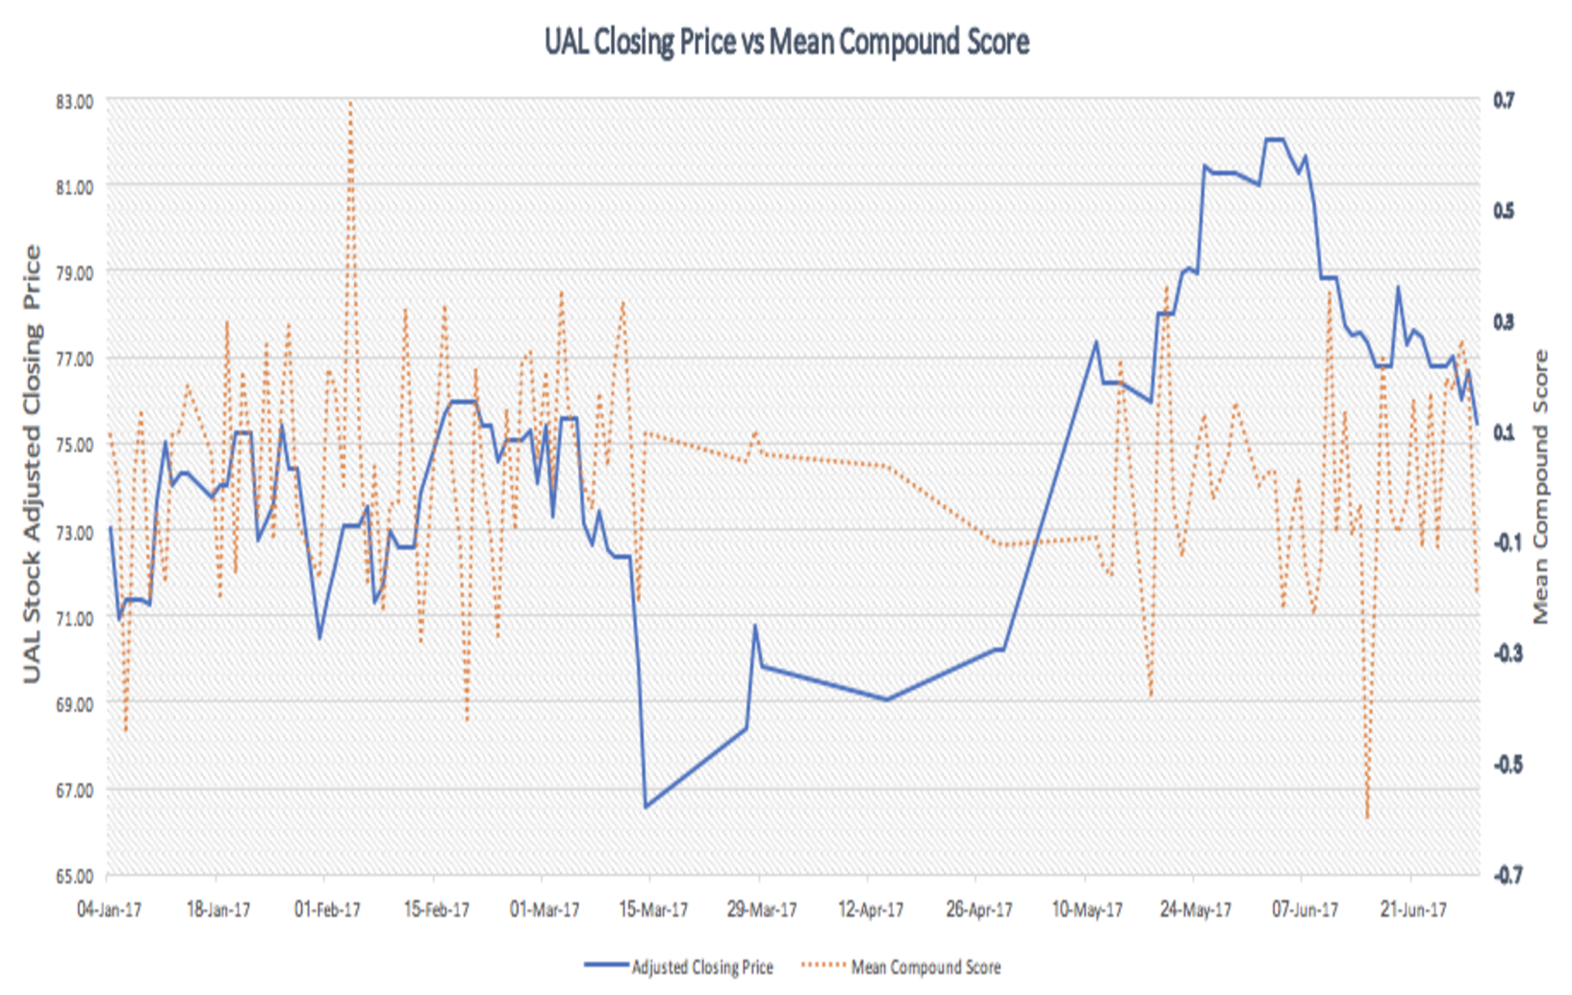
 | A time plot of the Sentiment Mean Score shows the hills and valleys of sentiments towards united airline. The peaks represent positive sentiments while the valleys represent negative sentiments.
 | Lets take a look at the time plot of United Airline Stock Prices and Vader Sentiments Mean Score.
 | The figure shows an apparent correlation between the two variables. It’ll be tempting to conclude that the stock prices capture the movements in sentiment scores due to how closely they follow each other.
 | Methodology:
 | This section presents the method used to investigate the relation between the two time series variables. Here we computed the correlation coefficient. Other methods that we could have used in this project would to determine the causal relationship between the variables using the Granger Causality test. Another would be to check if any cointegration relationship exist between the variables using Johansen's cointegration approach. However these techniques are beyond the scope of this project.

 | Data analysis:
 | As the scatter plot shows that there is no correlation between the United Airline Stock Price and Twitter Sentiment Mean Score, it's still good practice to perform a correlation test to back it up empirically.
 | Correlation:
 | r = (n*(SUM(X,Y) - (SUM(X) * (SUM(Y))) / SQRT((n*SUM(X^2) - SUM(X)^2)*(n*SUM(Y^2) - SUM(Y)^2))
 | x = UAL (United Airline Adjusted Closing Prices)
 | y = Vader Sentiment Mean Score
 | n = degree of freedom
 | The correlation coefficient (r) is = -0.58 which indicates there is no correlation between United Airline Closing Prices and Vader Senitments Mean Score.
 | Results and Findings:
 | The estimate from the correlation coefficient estimation indicates that there is no correlation between United airline stock prices and Twitter sentiment scores. The findings reinforces the earlier claim that there is no visual relationship following the scatter graph of the two variables.
 | This is line with other studies: for instance, Gabriele Rancho et al. (2005) found a relatively low correlation and causality between Twitter Sentiments and 30 Stock companies that make up the Dow Jones Industrial Average (DJIA) Index.
 | Future Research:
 | It would be really interesting to investigate the causal relationship between this two time series variables using Granger Causality. This is because the time plot of the two variables show periods of overlap between the relationships; hence, it'll be of importance to determine the direction of the causality between the variables.

Advanced Search Screen
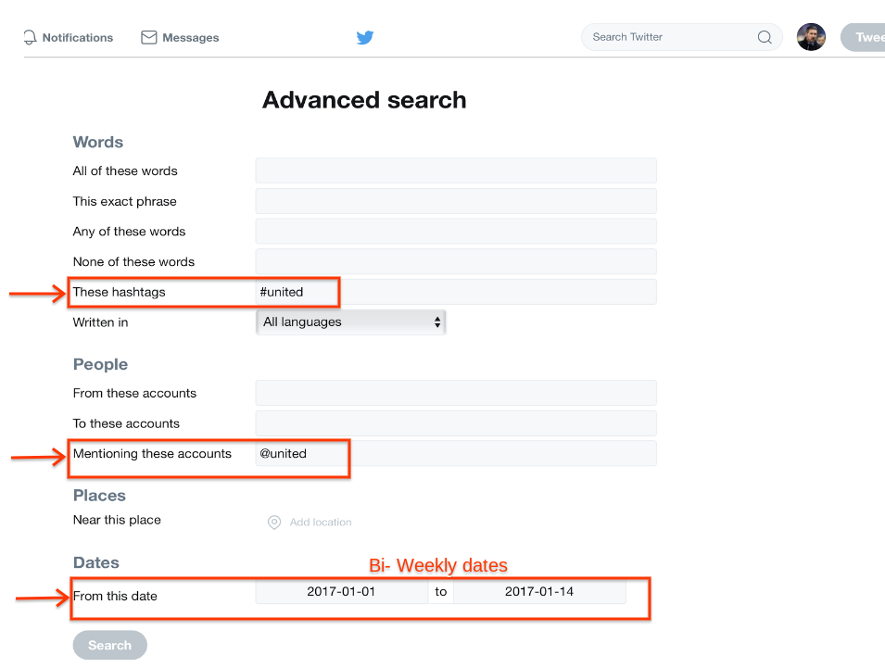
Sample
https://twitter.com/search-advanced

Hashtag | #united

Addressed to united Airlines | @united

Bi-weekly | 1/1/17-1/14/17

